GUCCI SCARVES
GUCCI SCARVES

PICTURES | CATEGORY | MODEL | FABRIC | COLOR | DESCRIPTION | COLOR DESCRIPTION | PCS | REATIL | Total
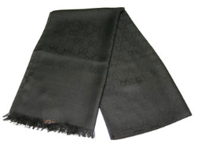 | WOMENS SILK ACC | 165904 | 3G646 | 1000 | SC OUTL GGNAT 45X180 70%WO 30%SE | BLACK | 450 | € 380.00 | 171,000.00 €
 |  |  |  |  |  | S | 450 |  | 171,000.00 €

